2. Firearm violence - charts
NSW Recorded Crime Statistics, Jan 2004 to Dec 2023
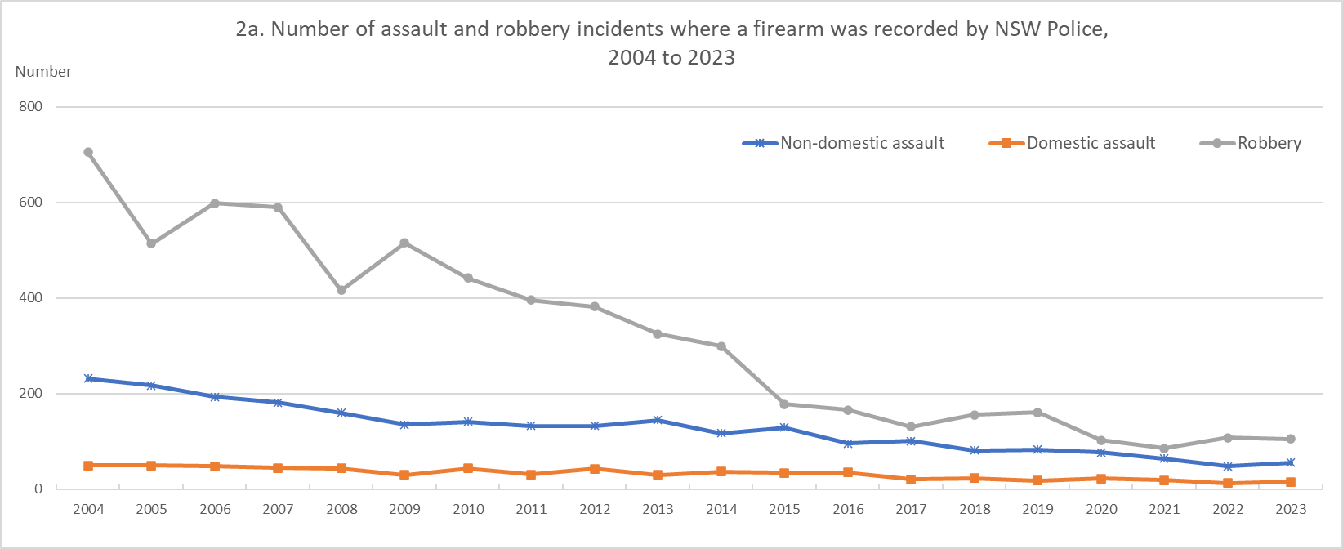

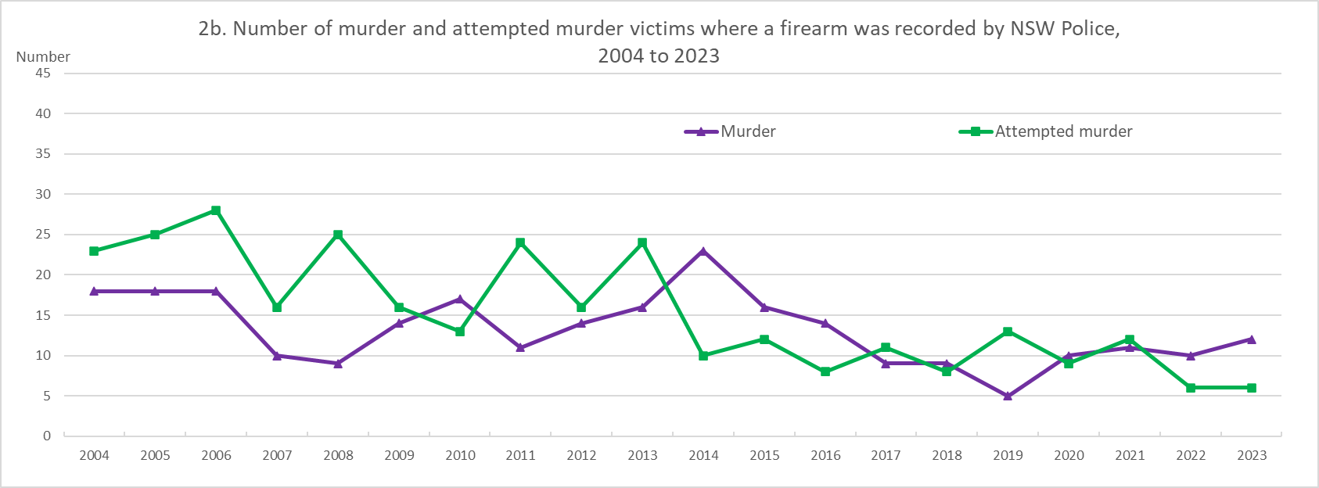

NOTE 1: Data sourced from the NSW Bureau of Crime Statistics and Research must be acknowledged in any document (electronic or otherwise) containing that data. The acknowledgement should take the form of Source: NSW Bureau of Crime Statistics and Research
NOTE 2: For information about recorded crime data please see our ‘Using crime statistics’ webpage.

Source: NSW Bureau of Crime Statistics and Research
Reference: mg24-23275
Please retain this reference number for future correspondence

3. Knife violence - charts
NSW Recorded Crime Statistics, Jan 2004 to Dec 2023
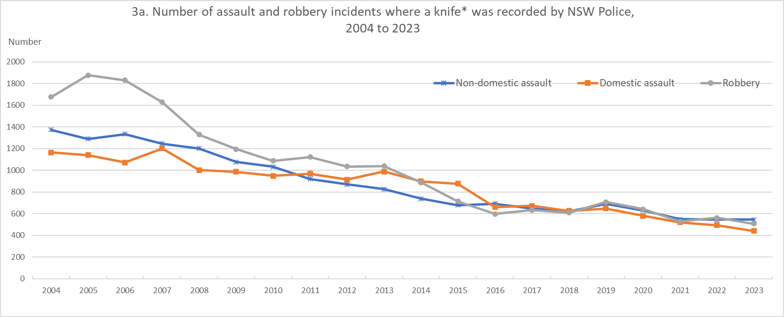

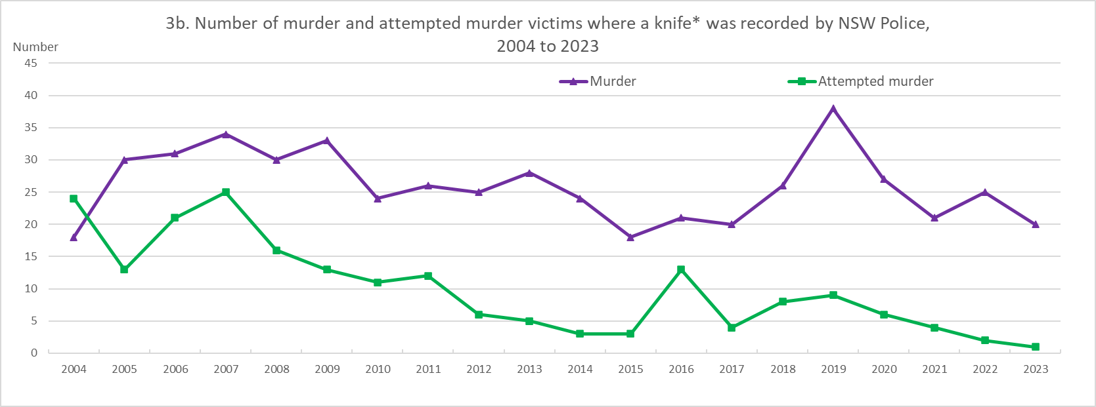

* The weapon category 'Knife' includes incidents involving knives, swords, scissors, screwdrivers

NOTE 1: Data sourced from the NSW Bureau of Crime Statistics and Research must be acknowledged in any document (electronic or otherwise) containing that data. The acknowledgement should take the form of Source: NSW Bureau of Crime Statistics and Research
NOTE 2: For information about recorded crime data please see our ‘Using crime statistics’ webpage.

Source: NSW Bureau of Crime Statistics and Research
Reference: mg24-23275
Please retain this reference number for future correspondence

